Chapter 2, PB 1-3
PB1. LO 2.1 Hicks Products produces and sells patio furniture through a national dealership network. They purchase raw materials from a variety of suppliers and all manufacturing, and assembly work is performed at their plant outside of Cleveland, Ohio. They recorded these costs for the year ending December 31, 2017. Construct an income statement for Hicks Products, to reflect their net income for 2017.
 | Hicks Products Income Statement For the Year Ended December 31, 2017
 | Particulars:
 | Sales revenue |  | $3,100,000
 | Cost of goods sold |  | $1,700,000
 | Gross Profit |  | $1,400,000
 | Expenses:
 | Depreciation on office equipement | $90,000
 | Advertising and marketing expense | $625,000
 | Administrative Salaries | $136,000
 | Rent on corporate headquarters | $65,000
 |  |  | $916,000
 | Net income |  | $484,000

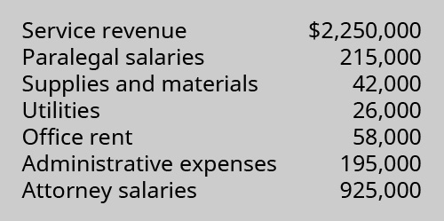
PB2. LO 2.1 Conner & Scheer, Attorneys at Law, provide a wide range of legal services for their clients. They employ several paralegal and administrative support staff in order to provide high-quality legal services at competitive prices. For the year ending December 31, 2017, the firm reported these income and expenses. Using this information, construct an income statement to reflect the firm’s net income for 2017.
 | Conner & Scheer, Attorneys at Law Income Statement For the Year Ended December 31, 2017
 | Particulars:
 | Service revenue |  | $2,250,000
 | Expenses:
 | Paralegal salaries | $215,000
 | Supples and materials | $42,000
 | Utilities | $26,000
 | Office rent | $58,000
 | Administrative expenses | $195,000
 | Attorney salaries | $925,000
 | Total Expenses |  | $1,461,000
 | Net income |  | $789,000

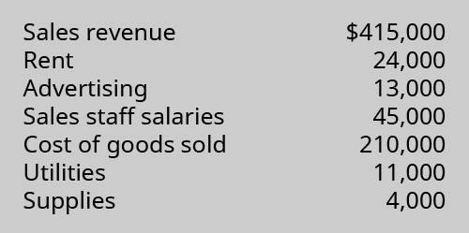
PB3. LO 2.1 Puzzles, Pranks & Games is a retail business selling children’s toys and games as well as a wide selection of jigsaw puzzles and accessories. They purchase their inventory from local and national wholesale suppliers. For the year ending December 31, 2017, they reported these revenues and expenses. Using this information, prepare an income statement for Puzzles, Pranks & Games for 2017.
 | Puzzles, Pranks & Games Income Statement For the Year Ended December 31, 2017
 | Particulars:
 | Sales revenue |  | $415,000
 | Cost of goods sold |  | $210,000
 | Gross Profit |  | $205,000
 | Expenses:
 | Rent | $24,000
 | Advertising | $13,000
 | Sales staff salaries | $45,000
 | Utilities | $11,000
 | Supplies | $4,000
 | Total Expenses |  | $97,000
 | Net income |  | $108,000

Chapter 2, PA 4 & 5
 | PA 4. LO 2.2Listed as follows are various costs found in businesses. Classify each cost as a fixed or variable cost, and as a product and/or period cost.
 |  | fixed or variable | product and/or period
A | Wages of administrative staff | fixed | period
B | Shipping costs on merchandise sold | variable | period
C | Wages of workers assembling computers | variable | product
D | Cost of lease on factory equipment | fixed | product
E | Insurance on factory | fixed | product
F | Direct materials used in production of lamps | variable | product
G | Supervisor salary, factory | fixed | product
H | Advertising costs | fixed | period
I | Property taxes, factory | fixed | product
J | Health insurance cost for company executives | fixed | period
K | Rent on factory | fixed | product

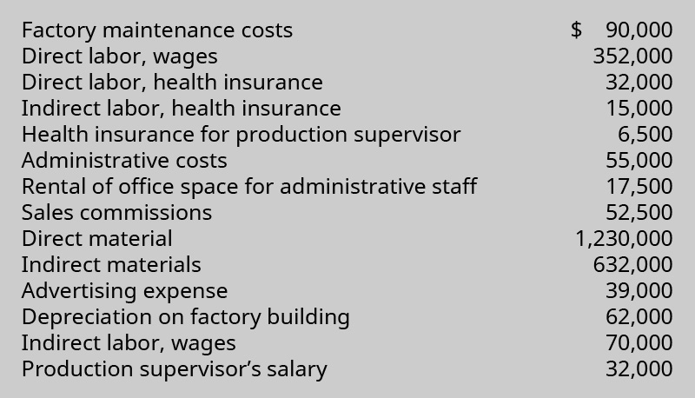
 | PA 5. LO 2.2 Wachowski Company reported these cost data for the year 2017.
 |  |  |  | Use the data to complete the following table.

 |  |  |  | Total prime costs
 |  |  |  | Particulars | Amount (in $)
 |  |  |  | Direct material | $1,230,000
 |  |  |  | Direct labor, wages | $352,000
 |  |  |  | Direct labor, health insurance | $32,000
 |  |  |  | Total prime costs | $1,614,000

 |  |  |  | Total manufacturing overhead costs
 |  |  |  | Particulars | Amount (in $)
 |  |  |  | Factory maintenance costs | $90,000
 |  |  |  | Indirect labor, health insurance | $15,000
 |  |  |  | Health insurance for production supervisor | $6,500
 |  |  |  | Indirect materials | $632,000
 |  |  |  | Depreciation on factory building | $62,000
 |  |  |  | Indirect labor, wages | $70,000
 |  |  |  | Production supervisor's salary | $32,000
 |  |  |  | Total manufacturing overhead costs | $907,500
 | Total product costs
 | Particulars | Amount (in $) |  | Total conversion costs
 | Total prime costs | $1,614,000 |  | Particulars | Amount (in $)
 | Total manufacturing overhead costs | $907,500 |  | Direct labor, wages | $352,000
 | Total product costs | $2,521,500 |  | Direct labor, health insurance | $32,000
 |  |  |  | Manufacturing overhead costs | $907,500
 |  |  |  | Total period costs | $1,291,500
 | Total period costs
 | Particulars | Amount (in $)
 | Administrative costs | $55,000
 | Rental of office spae for administrative staff | $17,500
 | Sales commissions | $52,500
 | Advertising expense | $39,000
 | Total period costs | $164,000

Ch4,PA2,4-6 (Job Order Costing)
PA 2. LO 4.4 York Company is a machine shop that estimated overhead will be $50,000, consisting of 5,000 hours of direct labor. The cost to make Job 0325 is $70 in aluminum and two hours of labor at $20 per hour. During the month, York incurs $50 in indirect material cost, $150 in administrative labor, $300 in utilities, and $250 in depreciation expense.

A | What is the predetermined overhead rate if direct labor hours are considered the cost driver?

 | Overhead rate = Estimated overhead cost/Estimated labor hour = 50,000/5,000 = 10 $/hr

B | What is the cost of Job 0325?

 | Total cost for Job 0325 includes Material Cost, Direct Labor, and Overhead
 | 1 | Material Cost for Job0325 |  | 70
 | 2 | Direct Labour
 |  | = Direct labor rate per hr * hrs req to make job
 |  | = 20 * 2 |  | 40
 | 3 | Overhead
 |  | = Overhead Rate * hrs req to make job
 |  | = 10 * 2 |  | 20
 |  | Total |  | 130

C | What is the overhead incurred during the month?

 |  | Total Overhead in a month
 |  | Indirect Material | 50
 |  | Administrative Labour | 150
 |  | Utilities | 300
 |  | Depriciation | 250
 |  | Total | 750

PA 4. LO 4.5 Job cost sheets show the following information:

What are the balances in the work in process inventory, finished goods inventory, and cost of goods sold for January, February, and March?

 |  | February:
 |  | Finished goods = $2,500 + $1,200 + $3,250 = $6,950

 |  | March:
 |  | Finished goods = $2,500 + $1,200 = $3,700

 |  | March:
 |  | Work in process = $3,409 + $2,319 = $5,728

 |  |  | Work in process | Finished goods | Cost of goods sold
 |  | January | $2,500 | $4,838 | $0
 |  | February | $3,409 | $6,950 | $4,838
 |  | March | $5,728 | $3,700 | $3,250

PA 5. LO 4.5 Complete the information in the cost computations shown here:

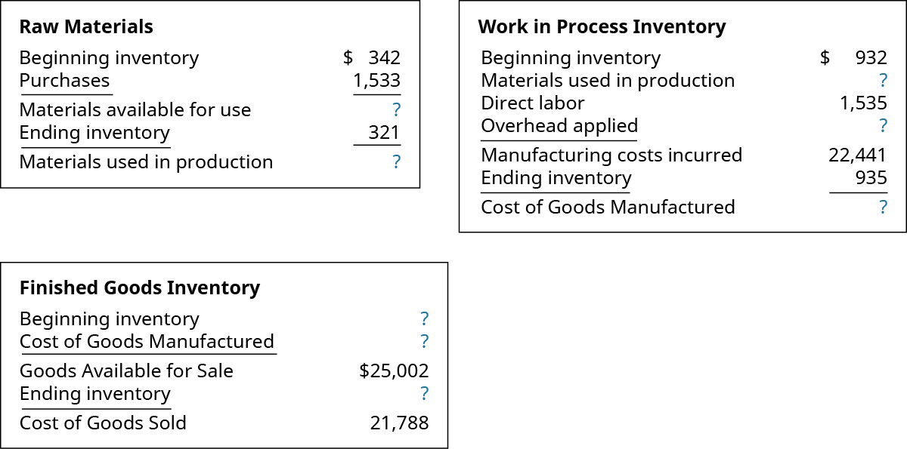

 |  | Raw Materials |  |  |  | Work in process inventory
 |  | Beginning inventory | $342 |  |  | Beginning inventory | $932
 |  | Purchases | $1,533 |  |  | Materials used in production | $1,554
 |  | Materials available for use | $1,875 |  |  | Direct labor | $1,535
 |  | Ending inventory | ($321) |  |  | Overhead applied | $18,420
 |  | Materials used in production | $1,554 |  |  | Manufacturing cost incurred | $22,441
 |  |  |  |  |  | Ending inventory | ($935)
 |  |  |  |  |  | Cost of goods manufactured | $21,506

 |  | Finished goods inventory
 |  | Beginning inventory | $3,496
 |  | Cost of goods manufactured | $21,506
 |  | Goods available for sale | $25,002
 |  | Ending inventory | ($3,214)
 |  | Cost of goods sold | $21,788

PA 6. LO 4.5 During the year, a company purchased raw materials of $77,321, and incurred direct labor costs of $125,900.
Overhead is applied at the rate of 75% of the direct labor cost. These are the inventory balances:

Compute the cost of materials used in production, the cost of goods manufactured, and the cost of goods sold.

 |  | Particulars | Amount (in $)
 |  | Raw Materials Inventory
 |  | Beginning Inventory | $17,433
 |  | Purchases | $77,321
 |  | Material available for use | $94,754
 |  | Ending Inventory | ($16,428)
 |  | Materials used in production | $78,326

 |  | Particulars | Amount (in $)
 |  | Work in Process Inventory
 |  | Beginning Inventory | $241,439
 |  | Materials Used in Production | $78,326
 |  | Direct labor | $125,900
 |  | Overhead Applied | $94,425
 |  | Manufacturing Costs Incurred | $540,090
 |  | Ending Inventory | ($234,423)
 |  | Cost of goods manufactured | $305,667

 |  | Particulars | Amount (in $)
 |  | Finished Goods Inventory
 |  | Beginning Inventory | $312,842
 |  | Cost of goods manufactured | $305,667
 |  | Goods available for sale | $618,509
 |  | Ending Inventory | ($342,384)
 |  | Cost of goods sold | $276,125

